Print Page 1
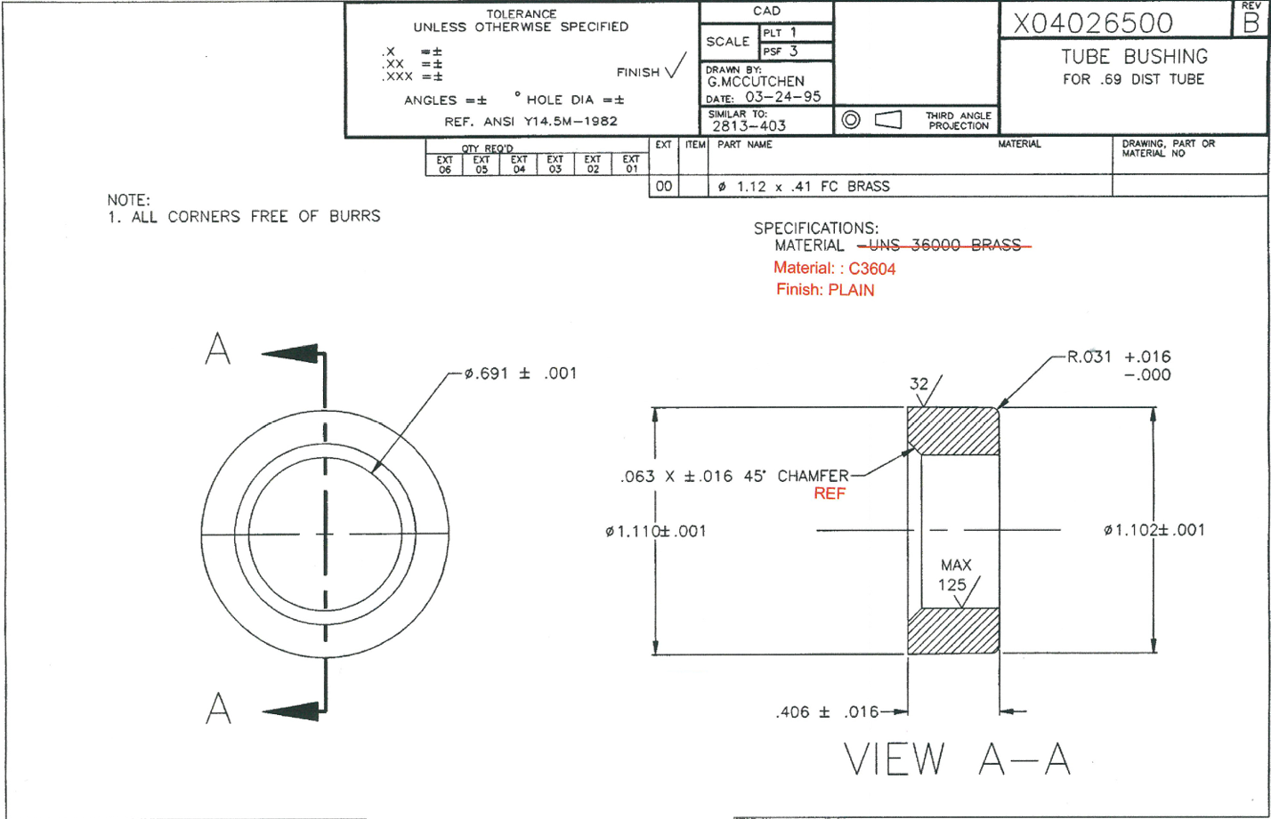

2
5

4
1

3

